Sheet1
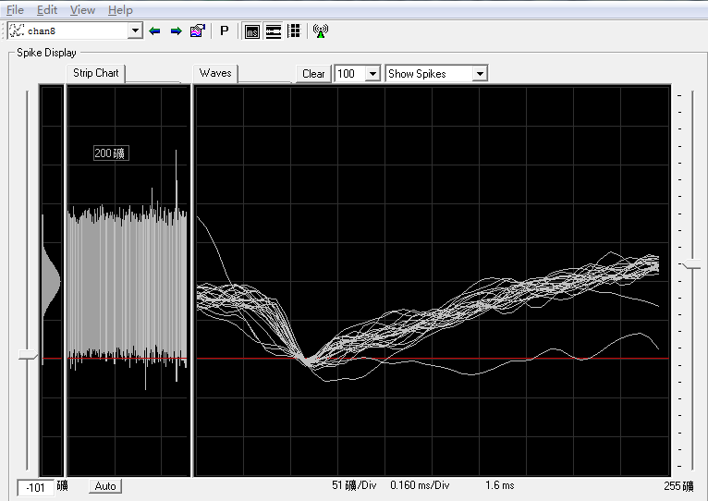
Subject: |  |  | Patamon |  |  |  |  |  |  | Date: |  |  |  | 2021.4.19
 |  | L |  |  |  |  |  |  |  |  |  | M

 |  | 1 | 2 | 3 | 4 | 5 | 6 | 7 | 8 | 9 | 10 | 11 | 12 |  |  | BlackRock | 1 | 2 | 3 | 4 | 5 | 6 | 7 | 8 | 9 | 10 | 11 | 12
A | 1 |  |  |  |  | 37 |  |  |  |  |  | 60 |  | 1 |  | 1 |  |  |  |  | 7 | 6 | 5 | 4 | 3 | 2 | 1 |  | 1
 | 2 |  |  |  |  |  |  |  |  |  | 69 |  | 55 | 2 |  | 2 |  |  |  | 16 | 15 | 14 | 13 | 12 | 11 | 10 | 9 | 8 | 2
 | 3 |  |  |  |  |  |  |  |  |  |  |  | 114 | 3 |  | 3 |  |  | 26 | 25 | 24 | 23 | 22 | 21 | 20 | 19 | 18 | 17 | 3
 | 4 |  |  |  |  |  |  |  |  |  |  |  | 76 | 4 |  | 4 |  |  | 36 | 35 | 34 | 33 | 32 | 31 | 30 | 29 | 28 | 27 | 4
 | 5 |  | 51 |  |  |  |  |  |  |  |  |  | 49 | 5 |  | 5 |  | 47 | 46 | 45 | 44 | 43 | 42 | 41 | 40 | 39 | 38 | 37 | 5
 | 6 |  | 46 |  |  |  |  | 44 |  |  |  |  | 52 | 6 |  | 6 |  | 58 | 57 | 56 | 55 | 54 | 53 | 52 | 51 | 50 | 49 | 48 | 6 | hard channel
 | 7 | 48.75 |  |  |  | 53 | 66 |  |  |  |  |  | 54 | 7 |  | 7 | 70 | 69 | 68 | 67 | 66 | 65 | 64 | 63 | 62 | 61 | 60 | 59 | 7 | easy channel
 | 8 | 48 |  |  |  |  | 59 |  |  |  |  |  | 18 | 8 |  | 8 | 82 | 81 | 80 | 79 | 78 | 77 | 76 | 75 | 74 | 73 | 72 | 71 | 8 | broken
 | 9 | 37 |  |  |  |  |  |  |  |  |  | 58 | 57 | 9 |  | 9 | 94 | 93 | 92 | 91 | 90 | 89 | 88 | 87 | 86 | 85 | 84 | 83 | 9 | have some problems, pass for some days
 | 10 | 81 |  | 30 |  |  |  |  |  |  | 50 |  | 60 | 10 | ` | 10 | 106 | 105 | 104 | 103 | 102 | 101 | 100 | 99 | 98 | 97 | 96 | 95 | 10
P | 11 | 56 | 92 |  |  |  |  |  |  |  |  |  | 37 | 11 |  | 11 | 118 | 117 | 116 | 115 | 114 | 113 | 112 | 111 | 110 | 109 | 108 | 107 | 11
 | 12 |  | 69 | 55 | 63 | 87 | 51 | 46 | 40 | 41.25 | 46 | 45 |  | 12 |  | 12 |  | 128 | 127 | 126 | 125 | 124 | 123 | 122 | 121 | 120 | 119 |  | 12
 |  | A | B | C | D | E | F | G | H | I | J | K | L |  |  |  | A | B | C | D | E | F | G | H | I | J | K | L
unit: turns |  |  | (125μm/turn) |  |  |  |  | recorder: |  | Zhongqiao Lin & Jianshu Li
recording system: |  |  | BlackRock |  |  |  |  | SU chs:
 |  |  |  |  |  |  |  | MU chs:
 |  |  |  |  |  |  |  | weak MU chs:
 |  |  |  |  |  |  |  | s: small
B12 69 impedance 5958 KOhm, but spikes already appear (miss the first spikes, therefore the depth might be deepper than the surface of cortex)
C12 32t impedance=654 KOhm+23=55 SU
D12 44 impedance=1267 KOhm+19=63 SU
E12 55t impedance=1003 KOhm+32=87 no spikes
F12 45t impedance=3138 KOhm+6=51 weak MU
G12 40t impedance=1269 KOhm+6=46 SU
H12 35t impedance=1720 KOhm+5=40 SU
I12 36t impedance=827 KOhm+5.25=41.25 SU
J12 37t impedance=1660 KOhm+9=46 SU
K12 37t imepdance=589 KOhm+8=45 SU
L11 20t impedance=672 KOhm+17=37,noise amp 40->20, no spikes
A11 24t impedance=1814 KOhm+32=56 no spikes
A10 25t impedance=1188 KOhm+56=81 no spikes
L10 20t impedance=3787 KOhm+40=60 no spikes
L9 18t impedance=994 KOhm+39=57 SU
A9 21t impedance=2300 KOhm+16=37 broke
A8 22t impedance=565 KOhm +26=48 SU
L7 24t impedance=1227 KOhm +30=54 SU
L6 37t impedance=732 KOhm+15=52 uncertain MU
B6 30t impedance=719 KOhm + 16=46 SU
L4 37t impedance=1181 KOhm+8=45,noise level increased,ambiguous spike sounds in the bg; 45+31=76 SU
L3 34t impednace=1361 KOhm +80=114,similar to L2
L2 24t impedance=604 KOhm+31=55, weird Nike-shaped noise (below)

